BALENCIAGA
Foto | Brand | MPN | Modello | Qtà | Retail | Tot retail | Wholesale | Tot Wholesale | Genere | Categoria | Materiale | Colore | Made in
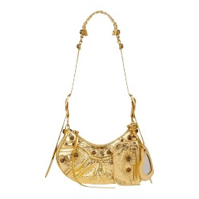 | Balenciaga | 6713090GT3M8005 | LE CAGOLE SHOULDER BAG XS | 5 | 2,050.00 € | 10,250.00 € | 1,138.89 € | 5,694.44 € | Donna | Borse a Spalla | Pelle | GOLD | Italia
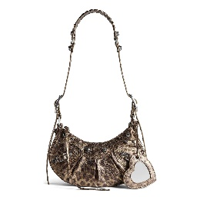 | Balenciaga | 6713092AAV72529 | LE CAGOLE SHOULDER BAG XS | 8 | 2,150.00 € | 17,200.00 € | 1,194.44 € | 9,555.56 € | Donna | Borse a Spalla | Pelle | BROWN | Italia
 | Balenciaga | 6713092AAV71423 | LE CAGOLE SHOULDER BAG XS | 11 | 2,150.00 € | 23,650.00 € | 1,194.44 € | 13,138.89 € | Donna | Borse a Spalla | Pelle | DARK GREY | Italia
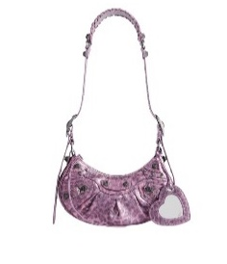 | Balenciaga | 6713092AAV75651 | LE CAGOLE SHOULDER BAG XS | 13 | 2,150.00 € | 27,950.00 € | 1,194.44 € | 15,527.78 € | Donna | Borse a Spalla | Pelle | PINK | Italia
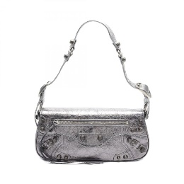 | Balenciaga | 7716400GT3Y8103 | LE CAGOLE SLING BAG S | 11 | 1,790.00 € | 19,690.00 € | 994.44 € | 10,938.89 € | Donna | Borse a Spalla | Pelle | SILVER | Italia
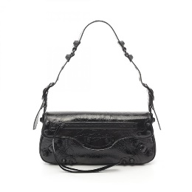 | Balenciaga | 7716402AA8H1000 | LE CAGOLE SLING BAG S | 6 | 1,790.00 € | 10,740.00 € | 994.44 € | 5,966.67 € | Donna | Borse a Spalla | Pelle | BLACK | Italia
 | Balenciaga | 7716402AA6T5908 | LE CAGOLE SLING BAG S | 12 | 1,790.00 € | 21,480.00 € | 994.44 € | 11,933.33 € | Donna | Borse a Spalla | Pelle | LIGHT PINK | Italia
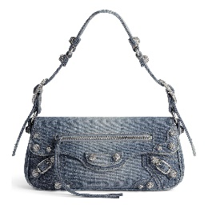 | Balenciaga | 7716402109U4715 | LE CAGOLE SLING BAG S | 5 | 2,250.00 € | 11,250.00 € | 1,250.00 € | 6,250.00 € | Donna | Borse a Spalla | Tessuto | BLUE | Italia
 | Balenciaga | 781796210IW8110 | CRUSH TOTE XS | 13 | 1,950.00 € | 25,350.00 € | 1,083.33 € | 14,083.33 € | Donna | Borse a Tracolla | Pelle | SILVER | Italia
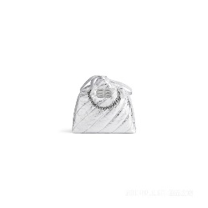 | Balenciaga | 742942210IW8110 | CRUSH TOTE S | 11 | 2,250.00 € | 24,750.00 € | 1,250.00 € | 13,750.00 € | Donna | Borse a Tracolla | Pelle | SILVER | Italia
 | Balenciaga | 781796210J09001 | CRUSH TOTE XS | 12 | 1,890.00 € | 22,680.00 € | 1,050.00 € | 12,600.00 € | Donna | Borse a Tracolla | Pelle | OPTIC WHITE | Italia
 | Balenciaga | 7429412AA9Q8110 | CRUSH TOTE M | 6 | 2,850.00 € | 17,100.00 € | 1,583.33 € | 9,500.00 € | Donna | Borse a Tracolla | Pelle | SILVER | Italia
 | Balenciaga | 742942210IU7636 | CRUSH TOTE S | 12 | 1,950.00 € | 23,400.00 € | 1,083.33 € | 13,000.00 € | Donna | Borse a Tracolla | Pelle | BUTTER YELLOW | Italia
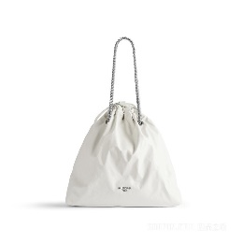 | Balenciaga | 742941210IU9001 | CRUSH TOTE M | 14 | 2,190.00 € | 30,660.00 € | 1,216.67 € | 17,033.33 € | Donna | Borse a Tracolla | Pelle | OPTIC WHITE | Italia
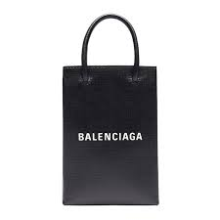 | Balenciaga | 5938260AI2N1000 | SHOPPING PHONE HOLDER | 7 | 890.00 € | 6,230.00 € | 494.44 € | 3,461.11 € | Donna | Borse a Mano | Pelle | BLACK | Italia
 | Balenciaga | 6560501QJ4Y4636 | HOURGLASS WALLET W/CHAIN | 3 | 1,250.00 € | 3,750.00 € | 694.44 € | 2,083.33 € | Donna | Borse a Tracolla | Pelle | SEA BLUE | Italia
 | Balenciaga | 6560501QJ4M9000 | HOURGLASS WALLET W/CHAIN | 8 | 1,250.00 € | 10,000.00 € | 694.44 € | 5,555.56 € | Donna | Borse a Tracolla | Pelle | OPTIC WHITE | Italia
 | Balenciaga | 6560501LR6Y6904 | HOURGLASS WALLET W/CHAIN | 6 | 1,350.00 € | 8,100.00 € | 750.00 € | 4,500.00 € | Donna | Borse a Tracolla | Pelle | POWDER PINK | Italia
 |  |  |  | 163 |  | 314,230.00 € |  | 174,572.22 €

